Component_Data
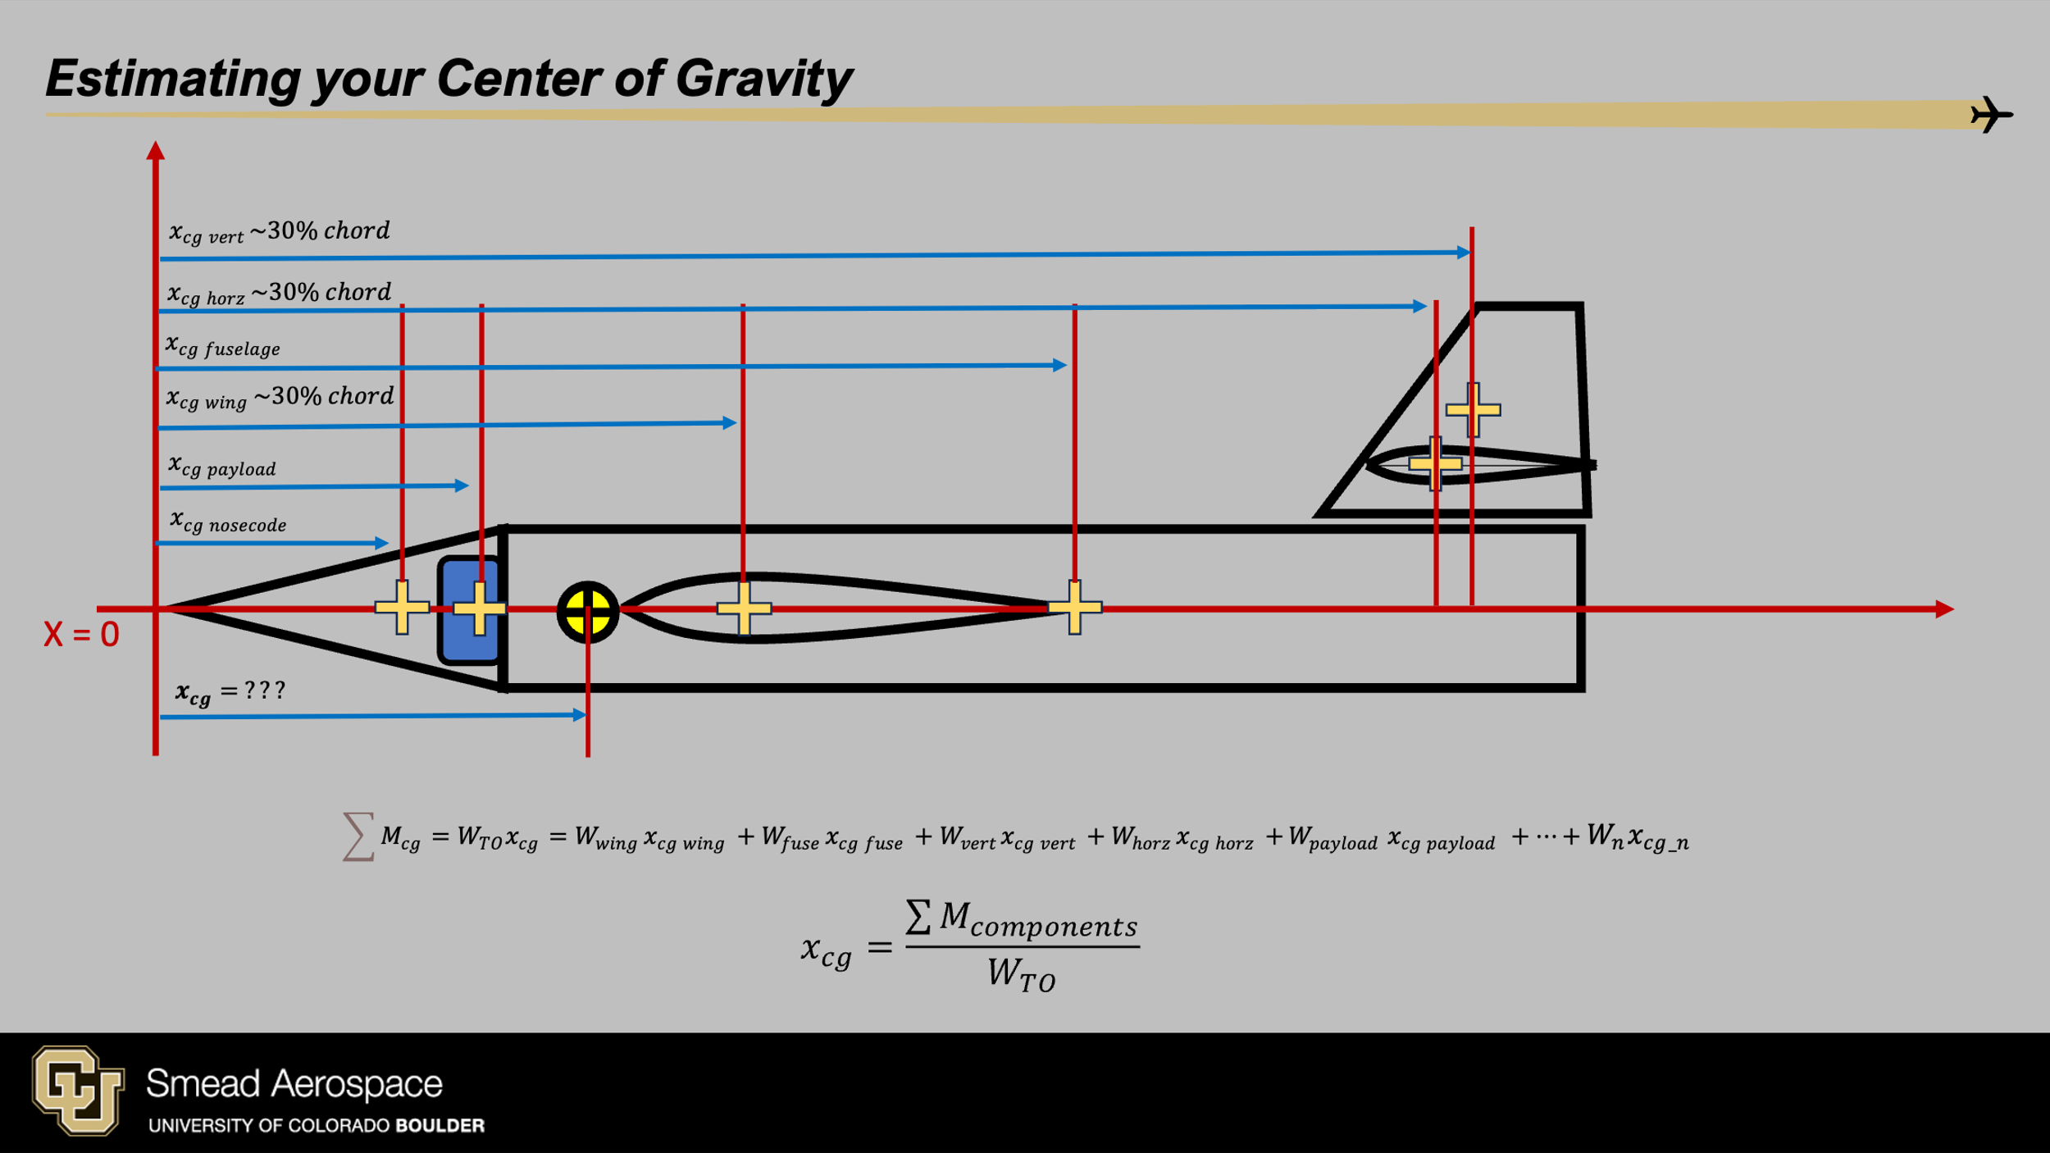
Config | m_nose | Xcg_nose | m_fuse | Xcg_fuse | m_wing | X_LE_wing | Xcg_wing | m_h1 | X_LE_h1 | Xcg_h1 | m_v1 | X_LE_v1 | Xcg_v1 | m_v2 | X_LE_v2 | Xcg_v2 | m_pay | Xcg_pay | m_ballast | Xcg_ballast
Config1 | 0 | 0 | 0 | 0 | 0 | 0 | 0 | 0 | 0 | 0 | 0 | 0 | 0 | 0 | 0 | 0 | 0 | 0 | 0 | 0
MY GLIDER | 0 | 0 | 0 | 0 | 0 | 0 | 0 | 0 | 0 | 0 | 0 | 0 | 0 | 0 | 0 | 0 | 160 | 0 | 0 | 0

Geometry Reference
